Лист1
 |  | MAX FLOW SERIES FILTER REPLACEMENT PARTS

Parts of MAX FLOW" SERIES Models: MFV17/ 20/ 24/ 27A/ 27 31A/ 31/ 35
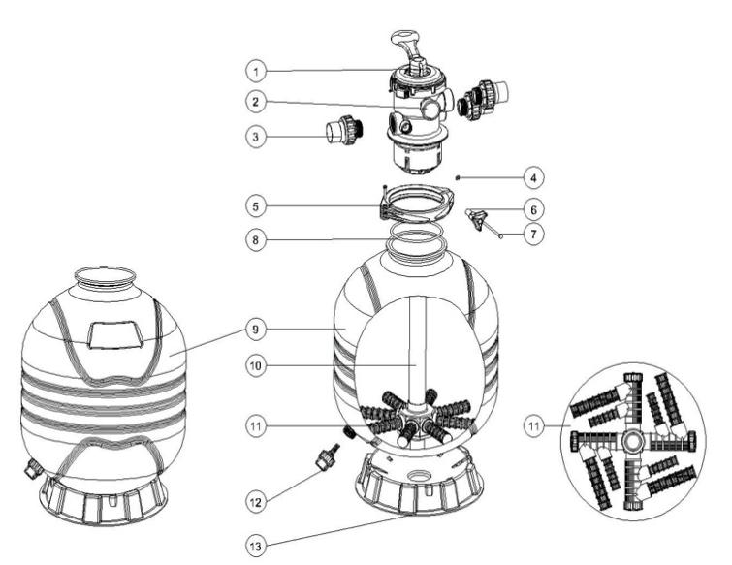

Key No. | Part No. | Description | Piece(s) Required
1 | 88281550B | 6 Way 1.5" Valve with 1.5" union set x 3 and pressure gauge (Black) | 1
1 | 88281551B | 6 Way 2" Valve with 2" union set x 3 and pressure gauge (Black) | 1
2 | 06021013 | Plastic Pressure Gauge with O-Ring | 1
2 | 01111048 | Connector for Pressure Gauge/Stopper | 1
3 | 89280102B | 1.5" union set (Black) with O-ring | 3
3 | 89280102W | 1.5" union set (White) with O-ring | 3
3 | 89280103B | 2" union set (Black) with O-ring | 3
3 | 89280103W | 2" union set (White) with O-ring | 3
4 | 03021035 | M6 Nut | 1
5 | 89012512 | Clamp Kit | 1
6 | 01111101 | Star-Shaped Nut | 1
7 | 03011166 | M6×110mm Screws | 1
8 | 02010007 | O-Ring | 1
9 | 89012501 | Filter Tank for MFV17 | 1
9 | 89012502 | Filter Tank for MFV20 | 1
9 | 89012503 | Filter Tank for MFV24 | 1
9 | 89012504 | Filter Tank for MFV27/MFV27A | 1
9 | 89012505 | Filter Tank for MFV31/ MFV31A | 1
9 | 89012506 | Filter Tank for MFV35 | 1
10 | 89012507 | Lateral Assembly with Center Pipe for MFV17 | 1
10 | 89012508 | Lateral Assembly with Center Pipe for MFV20 | 1
10 | 89012509 | Lateral Assembly with Center Pipe for MFV24 | 1
10 | 89012510 | Lateral Assembly with Center Pipe for MFV27A | 1
10 | 89012513 | Lateral Assembly with Center Pipe for MFV27 | 1
10 | 89012511 | Lateral Assembly with Center Pipe for MFV31A | 1
10 | 89012514 | Lateral Assembly with Center Pipe for MFV31 | 1
10 | 89012515 | Lateral Assembly with Center Pipe for MFV35 | 1
11* | 01172007 | Laterals (115mm) | *
11* | 01172008 | Laterals (126mm) | *
11* | 01172010 | Laterals (185mm) | *
12 | 89011601 | Water Drain Set | 1
13 | 01111059 | 16-21inch Filter Base | 1
13 | 01111062 | 21-28inch Filter Base | 1
13 | 01112037 | 31-35inch Filter Base | 1
Notes: | 11* MFV17 should have 8pcs of Lateral (115mm)
 | 11* MFV20/ MFV24/ MFV27A should have 8pca of Lateral (126mm)
 | 11* MFV27/ MFV31/ MFV35 should have 4pcs of lateral (115mm) and 4pcs of lateral (185mm)

