Лист1
 |  | ULTRA SERIES FILTRATION COMBO REPLACEMENT PARTS

Parts of Ultra Models: FSU-4/ FSU-6/ FSU-8
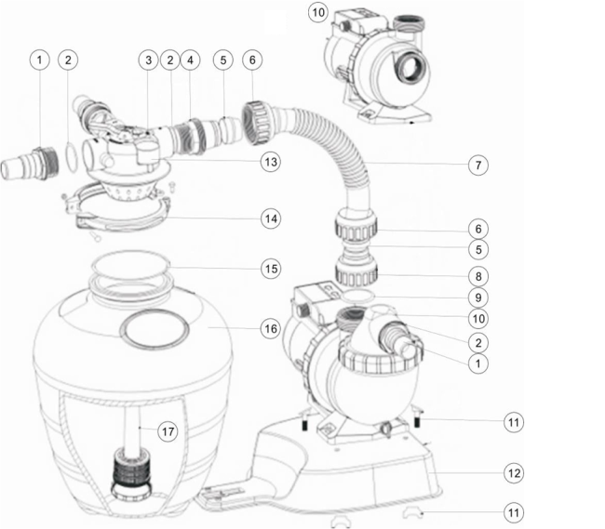

Key No. | Part No. | Description | Piece(s) Required
1 | 01013051 | 32mm & 38mm Adaptor | 3
2 | 02020013 | O-ring for 1.5" Connector | 4
3 | 88281105B | 4 Way 1.5" Top Mount Valve (Valve Only) (Black) | 1
4 | 01013047 | Hose Adaptor | 1
5 | 02011026 | Sleeve for Hose | 2
6 | 01013046 | Nut for Hose | 2
7 | 01370011 | Hose | 1
8 | 01013049 | Hose Adaptor with Nut | 1
9 | 02011104 | O-Ring for 1.5" Union | 1
10 | 88028419 | AMU012TP AQUA-MINI Pump (with Timer & Pre-Filter) | 1
10 | 88027519 | AMU012T AQUA-MINI Pump (with Timer) | 1
10 | 88027819 | AMU012P AQUA-MINI Pump (with Pre-Filter) | 1
10 | 88028119 | AMU012 AQUA-MINI Pump | 1
10 | 88028420 | AMU016TP AQUA-MINI Pump, 220V/50Hz | 1
10 | 88027520 | AMU016T AQUA-MINI Pump (with Timer) | 1
10 | 88027820 | AMU016P AQUA-MINI Pump (with Pre-Filter) | 1
10 | 88028120 | AMU016 AQUA-MINI Pump | 1
10 | 88028401 | AMU020TP AQUA-MINI Pump, 220V/50Hz | 1
10 | 88027501 | AMU020T AQUA-MINI Pump (with Timer) | 1
10 | 88027801 | AMU020P AQUA-MINI Pump (with Pre-Filter) | 1
10 | 88028101 | AMU020 AQUA-MINI Pump | 1
11 | 89033601 | Pump Assembly Screw | 1
12 | 01111105 | Combo Base | 1
13 | 06021014 | Plastic Pressure Gauge with O-Ring (28psi) | 1
14 | 89033602 | Clamp Lock with Screws & Nut | 1
15 | 02010045 | O-Ring | 1
16 | 01331061 | 13" Filter Tank | 1
17 | 89033603 | Lateral Assembly with Center Pipe | 1

